4) Career survey
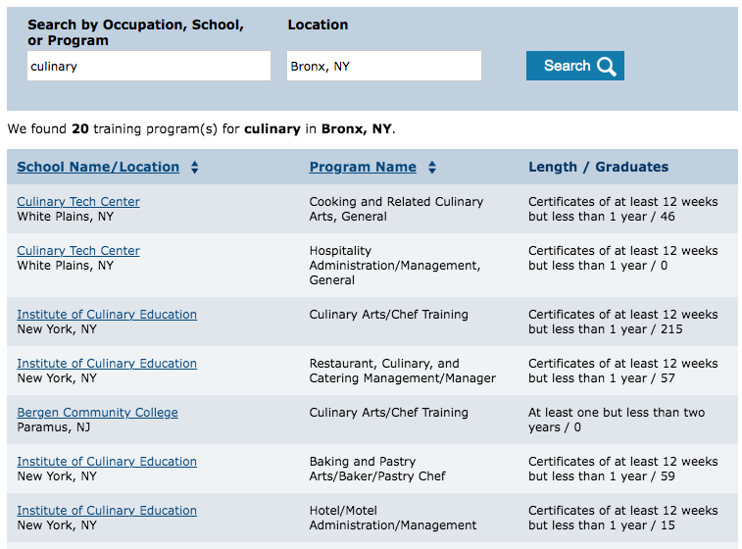
Take the career survey (link below)
Copy/paste a screen shot of your results to replace mine.
Use the search function to find job training programs, licensing, and certifications
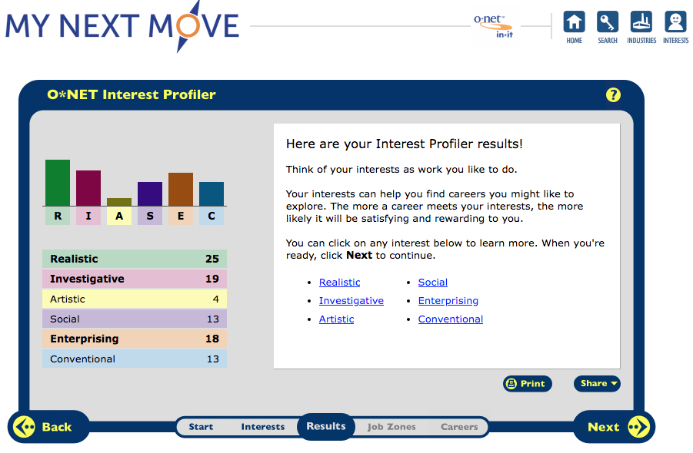
put details in your personal jobs spreadsheet and copy/paste a screen shot here for credit

https://www.mynextmove.org/

